Tx Equipment Catalog
Tx Equipment Catalog

Microwave | Macro Cell | 5km < Distance < 15km

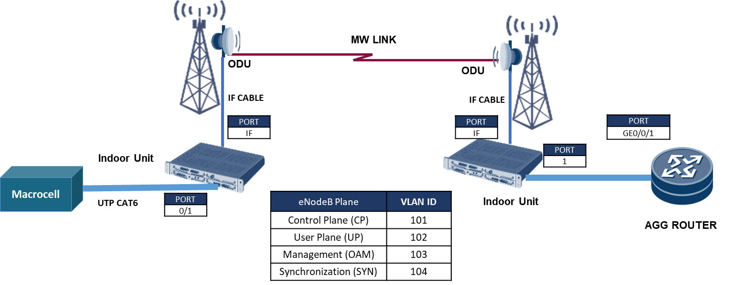
Quantity | Model | Description
2 | MW Vendor A - IDU Unit | IDU Unit
2 | MW Vendor A - ODU Unit | ODU Unit @11GHz
2 | MW Antenna | Antenna 0.6m
4 | SFP+ Module | Enhanced Small Form-factor Pluggable Transceiver, 1GE, Electrical, 1000BASE T
4 | Patch Cord | Electrical Patch Cable, 10m

Microwave | Small Cell | Distance < 5km


Quantity | Model | Description
2 | MW Vendor A - IDU Unit | IDU Unit
2 | MW Vendor A - ODU Unit | ODU Unit @5GHz
2 | MW Antenna | Antenna 0.3m
4 | SFP+ Module | Enhanced Small Form-factor Pluggable Transceiver, 1GE, Electrical, 1000BASE T
4 | Patch Cord | Electrical Patch Cable, 10m

Fiber Optic | Macro Cell

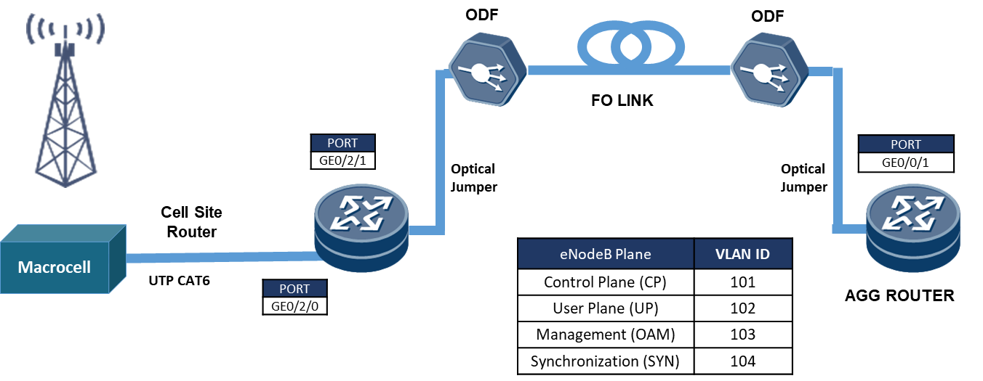
Quantity | Model | Description
1 | MW Vendor A - Router | Router Unit
2 | SFP+ Module | Enhanced Small Form-factor Pluggable Transceiver, 1GE, Electrical, 1000BASE T
2 | SFP+ Module | Enhanced Small Form-factor Pluggable Transceiver, 1GE, Optical, 1000BASE LX10
2 | Fiber Optic Patch Cord | LC to LC Fiber Patch Cable, 10m
2 | Patch Cord | Electrical Patch Cable, 10m

Fiber Optic | Macro Cell

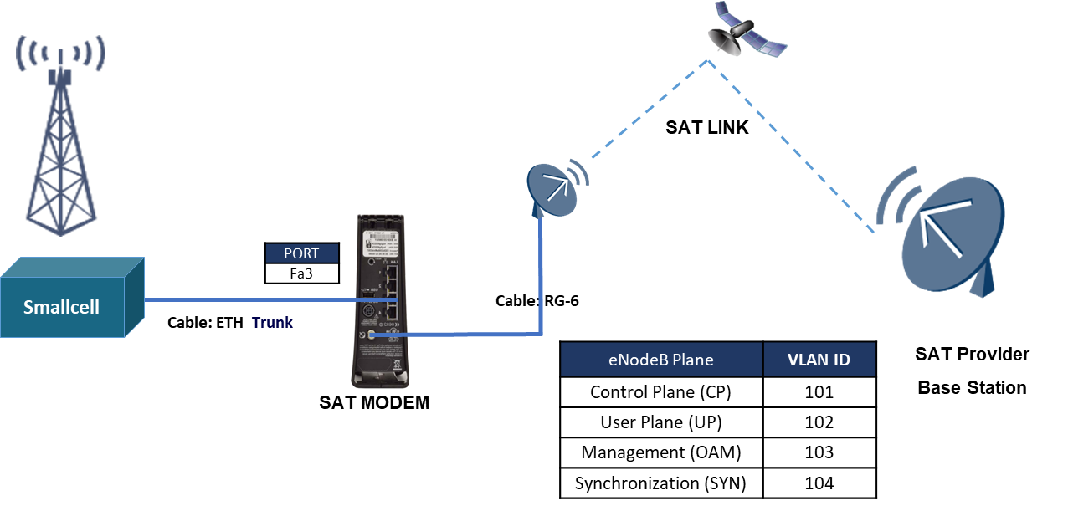
Quantity | Model | Description
1 | VSAT | Ka band VSAT, 1.2 antenna
1 | SAT modem | Ka band SAT modem
2 | Patch Cord | Electrical Patch Cable, 10m

